Instructions
LDT4SSC Financial form

Instructions to fill in the financial form
1.The tab "Costs breakdown" contains the data table for entering the budget
2. Enter all budget figures in the "Cost breakdown" tab, unless otherwise specified.
4. The “Budget Summary” tab contains pivot tables that analyse the budget from multiple perspectives. These views are intended primarily for reviewers but also serve as a tool for verifying your inputs
a) After making any change, click “REFRESH” so the summaries display the latest data.

Preparing the Cost breakdown sheet
Please enter data into the "Cost breakdown" tab.
If a beneficiary has costs in multiple categories (e.g., personnel, subcontracting, travel, equipment), enter each category in a separate row, even if they all belong to the same work package
When filling in the "Cost Description" column, please include the following details to ensure clarity and compliance
A. Personnel costs (please describe staff category and activities planned). (Ex. Junior staff - data collection)
B. Subcontracting (based on quote best for value and comptetitieve procurement) (Ex. Subcontracting of consultants, in line with organisations/cities procurement policy and countries Procurement Act)
C. Purchase costs (travel, equipment, goods and services actual invoice) - describe use and necessity for the project (Ex. purchase of 4 desks, printing materials and caterting )
Every field must be completed with the exception of columns H,I, which are automatically filled in

Please note: All awarded organisations requesting contributions of ≥ EUR 325,000 must provide a Certificate on Financial Statements (CFS) with their final report, carried out by an external auditor. The CFS’s aim is to enable the Party responsible for the Funding Support (TGB), the EC, the OLAF and the ECA to check whether costs declared in the financial statements are eligible. The costs for producing the CFS are eligible and go under the cost category C3 ‘Other goods, works and services’. It is recommended that each applicant includes the CFS costs in the budget estimated for the pilot.

Calculation method
Personnel costs = Day-equivalent worked in the action (rounded up or down to the nearest half-day) * Daily rate

Daily rate = actual personnel costs for the period / maximum declarable days-equivalent

Maximum days equivalent worked in the action = ((215/12) * n.months within reporting period) * FTE)

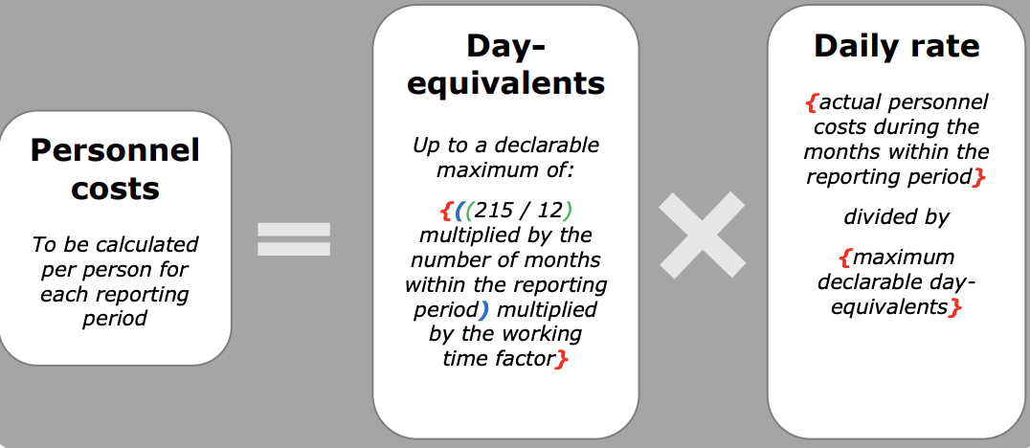

Conversion hours to day-equivalents = n. hours worked by the person during the reporting period / n. hours of a day-equivalent
3 ways for calculating a day equivalent:
i) Fixed rate 8 hours = 1 day
ii) Average number of hours that a person must work per working day according to the contract
iii) On the basis of the beneficiary’s usual cost accounting practice determining the standard number of annual productive hours

To note:
1. For financial guidance and details on cost categories, please refer to:
a. LDT4SSC project's Call for Pilots Manual - available at https://ldt4ssc.eu/opencalls/
b. Annotated Grant Agreement (specifically, Articles 5 and 6) - available at https://ec.europa.eu/info/funding-tenders/opportunities/docs/2021-2027/common/guidance/aga_en.pdf
2. Personnel, Purchase and subcontracting costs will calculate Indirect costs.
3. All costs should be provided in Euros
4. Please make sure to fully describe the planned costs and how they have been calculated (rplease refer to the Call for Pilots Manual available here: https://ldt4ssc.eu/opencalls/)
5. For any additional question, please reach out to info@ldt4ssc.eu

Submit the Budget (Excel format) together with the application form.

