Instructions
LDT4SSC Financial form

How it works
1. Costs breakdown tab
· The “Costs breakdown” tab contains the formatted data table used for entering all budget items.
· All budget items must be entered inside this formatted table only.
Do not add data above, below, or outside the table, as this will not be captured correctly.
· Columns H and I are locked to prevent calculation errors.
As a result, rows cannot be added to or deleted from the formatted table by applicants.
· Before entering data, please check that the formatted table contains a sufficient number of rows for all your budget items.
· If additional rows are required, do not insert rows manually. Please contact info@ldt4ssc.eu, and we will adjust the table for you.
· All budget figures must be entered in the “Costs breakdown” tab.
· Please ensure that all amounts are entered in the correct columns and that no cells outside the formatted table are used.

2. Budget Summary tab
· The “Budget Summary” tab contains pivot tables that automatically analyse the budget from multiple perspectives.
· These summaries are intended primarily for reviewers, but they also allow applicants to verify the consistency of their inputs.
· After making any change in the “Costs breakdown” tab, please click “REFRESH” to ensure the summaries display the most up-to-date information.

What information to enter
Please enter all budget data into the "Cost breakdown" tab.
If a beneficiary has costs under multiple categories (e.g., personnel, subcontracting, travel, equipment), enter each category in a separate row, even if they all belong to the same work package
When filling in the "Cost Description" column, please provide sufficient detail to ensure clarity, transparency, and compliance, as outlined below:
A. Personnel costs
Please indicate the staff category and the activities to be carried out. (Ex. Junior staff - data collection)
B. Subcontracting
Please describe the subcontracted tasks and confirm that the selection is based on best value for money and compliant with applicable procurement rules (Ex. Subcontracting of consultants, in line with organisations/cities procurement policy and countries Procurement Act)
C. Purchase costs (travel, equipment, goods and services)
Please describe the nature of the purchase, its use, and its necessity for the project. (Ex. purchase of 4 desks, printing materials and caterting )
All fields in the “Cost breakdown” tab must be completed, with the exception of columns H and I, which are automatically calculated and should not be edited

Please note: All awarded organisations requesting contributions of ≥ EUR 325,000 must provide a Certificate on Financial Statements (CFS) with their final report, carried out by an external auditor. The CFS’s aim is to enable the Party responsible for the Funding Support (TGB), the EC, the OLAF and the ECA to check whether costs declared in the financial statements are eligible. The costs for producing the CFS are eligible and go under the cost category C3 ‘Other goods, works and services’. It is recommended that each applicant includes the CFS costs in the budget estimated for the pilot.

Calculation method
Personnel costs = Day-equivalent worked in the action (rounded up or down to the nearest half-day) * Daily rate

Daily rate = actual personnel costs for the period / maximum declarable days-equivalent

Maximum days equivalent worked in the action = ((215/12) * n.months within reporting period) * FTE)

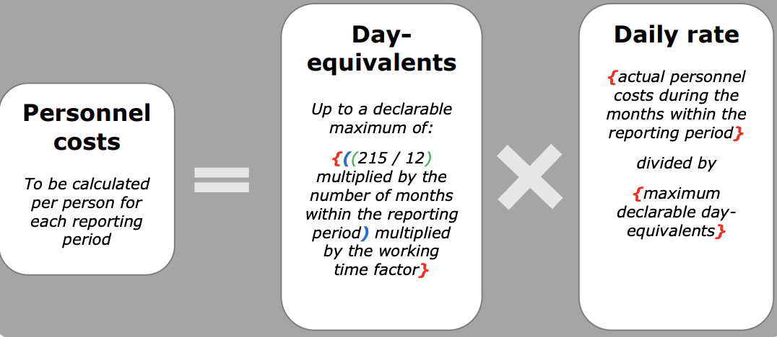

Conversion hours to day-equivalents = n. hours worked by the person during the reporting period / n. hours of a day-equivalent
3 ways for calculating a day equivalent:
i) Fixed rate 8 hours = 1 day
ii) Average number of hours that a person must work per working day according to the contract
iii) On the basis of the beneficiary’s usual cost accounting practice determining the standard number of annual productive hours

To note:
1. For financial guidance and details on cost categories, please refer to:
a. LDT4SSC project's Call for Pilots Manual - available at https://ldt4ssc.eu/opencalls/
b. Annotated Grant Agreement (specifically, Articles 5 and 6) - available at https://ec.europa.eu/info/funding-tenders/opportunities/docs/2021-2027/common/guidance/aga_en.pdf
2. Personnel, Purchase and subcontracting costs will calculate Indirect costs.
3. All costs should be provided in Euros
4. Please make sure to fully describe the planned costs and how they have been calculated (please refer to the Call for Pilots Manual available here: https://ldt4ssc.eu/opencalls/)
5. For any additional question, please reach out to info@ldt4ssc.eu

Submit the Budget (Excel format) together with the application form.

Budget summary
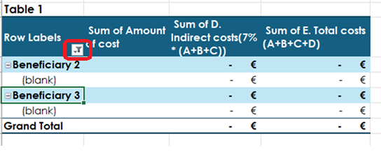
Instructions
1. The summary pivot tables are provided below. Please do not edit them unless explicitly requested
2. These tables are automatically populated from the data entered in the “Costs breakdown” tab
3. After making any changes in the “Costs breakdown” tab, right-click on the tables below and select “Refresh” to ensure that the summaries display the most up-to-date data
4. Before refreshing, make sure the filters are reapplied. To do so, click on the filter button as in the screenshot provided, then, click on the ‘clear filter from “Beneficiary” to reset the filter.
Or, simply select the right company names below.

Consortium budget overview
Total budget | - €
Eligible co-funding | - €

Table 1 |  |  |  |  | Table 2 |  |  |  | Table 3
Row Labels | Sum of Amount of cost | Sum of D. Indirect costs(7% * (A+B+C)) | Sum of E. Total costs (A+B+C+D) | Requested co-funding | Row Labels | Sum of Amount of cost | Sum of D. Indirect costs(7% * (A+B+C)) | Sum of E. Total costs (A+B+C+D) | Row Labels | Sum of Amount of cost | Sum of D. Indirect costs(7% * (A+B+C)) | Sum of E. Total costs (A+B+C+D)
Beneficiary 1 |  | - € | - € |  | WP1 EXAMPLE (PLEASE DELETE) |  | - € | - € | WP1 EXAMPLE (PLEASE DELETE) |  | - € | - €
(blank) |  | - € | - € |  | (blank) |  | - € | - € | Beneficiary 1 |  | - € | - €
Beneficiary 2 |  | - € | - € |  | WP2 EXAMPLE (PLEASE DELETE) |  | - € | - € | (blank) |  | - € | - €
(blank) |  | - € | - € |  | (blank) |  | - € | - € | Beneficiary 2 |  | - € | - €
Beneficiary 3 |  | - € | - € |  | WP3 EXAMPLE (PLEASE DELETE) |  | - € | - € | (blank) |  | - € | - €
(blank) |  | - € | - € |  | (blank) |  | - € | - € | WP2 EXAMPLE (PLEASE DELETE) |  | - € | - €
Grand Total |  | - € | - € |  | Grand Total |  | - € | - € | Beneficiary 1 |  | - € | - €
 |  |  |  |  |  |  |  |  | (blank) |  | - € | - €
 |  |  |  |  |  |  |  |  | Beneficiary 2 |  | - € | - €
 |  |  |  |  |  |  |  |  | (blank) |  | - € | - €
 |  |  |  |  |  |  |  |  | Beneficiary 3 |  | - € | - €
 |  |  |  |  |  |  |  |  | (blank) |  | - € | - €
 |  |  |  |  |  |  |  |  | WP3 EXAMPLE (PLEASE DELETE) |  | - € | - €
 |  |  |  |  |  |  |  |  | Beneficiary 3 |  | - € | - €
 |  |  |  |  |  |  |  |  | (blank) |  | - € | - €
 |  |  |  |  |  |  |  |  | Grand Total |  | - € | - €

